Customers and members
X1A3T
Customers and members

X1A1T
Financial wellness

Customer payouts | 2025 | 2024 | 2023

Retirement payouts in Australia (A$b)1 | 3.0 | 2.7 | 2.2
Retirement payouts in NZ (NZ$m)2 | 182 | 173 | 206

1 This figure includes both the AMP Super and Wealth funds.
2 Defined as regular withdrawals from KiwiSaver accounts to a person over 65 years that does not result in an account closure.

Supporting vulnerable customers | 2025 | 2024 | 2023

No. of AMP Bank loan repayment deferrals related to financial hardship | 824 | 826 | 573
No. of withdrawals processed for super access on compassionate grounds3 | 2,065 | 1,941 | 1,763
Value of super accessed on compassionate grounds payments (A$m)3 | 45.9 | 42.5 | 37.1
No. of withdrawals processed for super access due to financial hardship3 | 3,376 | 2,880 | 2,268
Value of super accessed due to financial hardship payments (A$m)3 | 23.6 | 20.0 | 15.4

X1A2T
3 2025 figures include requests for AMP Super and Wealth funds. Figures are gross of tax.

Member support and Intra-fund advice | 2025 | 2024 | 2023

Member education seminars/webinars held | 245 | 260 | 236
Member education Webinar attendees | 5,841 | 5,298 | 5,875
Member education One-on-one meetings | 2,209 | 2,314 | 3,231
Members supported by phone (intrafund) advice | 3,758 | 3,192 | 2,753
Members supported by digtal (intrafund) advice4 | 18,972 | NR | NR
Member satisfaction score (%) | 96 | 98 | 97

4 New service offered in 2025.

Bank | 2025 | 2024 | 2023
New Home loans | 7,515 | 6,004 | 9,174

Customer and member experience

Customers | 2025 | 2024 | 2023

AMP Bank customers1 | 172,205 | 184,663 | 191,550
AMP Bank GO customers | 15,665 | NR | NR
Superannuation and Investments members2 | 605,262 | 585,007 | 617,721
Platform members or clients3 | 236,873 | 230,465 | 230,110
NZWM customers4 | 265,080 | 268,483 | 275,977

1 Bank customers count both customers on a joint mortgage and excludes zero balance accounts.
2 Defined as customers that hold a least one S&I account with AMP, including $0 balance customers.
3 Defined as customers that hold at least one AMP manufactured product (Super, Pension, IDPS or MyNorth Lifetime) on North, including where funds under administration (FUA)>$0.
4 The previous years' figures have been restated to align to this year as the previous figures included Life Insurance customers that have been transferred back to Resolution Life.

Customer Satisfaction | 2025 | 2024 | 2023

Customer Satisfaction Score (cSAT) | 8.0 | 7.9 | 7.6

Customer Complaints5 | 2025 | 2024 | 2023
X1A0T
Total complaints received (#) | 22,218 | 17,417 | 14,421
Superannuation & Investments | 7,003 | 5,583 | 4,793
Bank | 11,321 | 7,796 | 6,475
Platform | 3,893 | 4,038 | 3,153
Number of escalated complaints to EDR (#) | 348 | 395 | 568
Complaints resolved in 5 days (%)6 | 70% | 71% | 60%
Complaints resolved in regulatory timeframes (RG271) (%) | 99% | 99% | 93.5%

5 Complaint figures are for Australia only. Excludes New Zealand. Customer complaints relates to those raised by AMP customers. Excludes complaints related to Advice, shareholder complaints or complaints managed by external firms (e.g. external insurer). The 2024 and 2023 total complaints received figure has also been restated to exclude Advice related complaints.
6 Calculated as complaints resolved within 5 days divided by total resolved complaints.

Investment performance

MySuper investment performance7 (published on the AMP website) |  | AMP MySuper dashboards
 |  | Member outcomes assessments

7 The AMP MySuper dashboards and member outcomes assessments pages are updated regularly and at the time of reporting, covered 2025 performance.

Digital innovation, AI and cyber security

User numbers | 2025 | 2024 | 2023

Total users of Website (#) | 493,770 | 499,162 | 502,861
Total users of My AMP app (#) | 256,170 | 224,391 | 224,472
Total users of Bank GO app (#)1 | 16,596 | NR | NR

1 Launched to the public in 2025.

Cyber security and privacy | 2025 | 2024 | 2023

No. of data breaches reported to OAIC and NZ Commission(#)2 | - | 1 | 5
Malicious attacks | - | 1 | 2
Human error | - | - | 2
System error3 | - | - | 1
% of critical and high security incidents responded to within SLA4 (%) | 100% | 100% | 100%

2 Breaches reported to the Office of the Australian Information Commissioner and the Office of the New Zealand Privacy Commissioner.
3 The OAIC defines system errors to a business or technology process error not caused by direct human error.
4 SLA meaning service level agreements.

People and partners
X2A3T
People and partners

X2A0T
Culture and conduct

Conduct | 2025 | 2024 | 2023

Total number of alleged misconduct cases1 | 68 | 39 | 40
Number of substantiated misconduct cases | 55 | 29 | 36
Minor misconduct substantiated | 31 | 22 | 24
Serious conduct breaches warranting remuneration and management action | 24 | 6 | 12
Cases not substantiated2 | 13 | 8 | 4
Consequences applied for material misconduct3
Management outcome4 | 13 | 4 | 2
Management and remuneration outcome5 | 1 | 3 | 8
Terminations6 | 10 | 0 | 1
Sexual harassment matters informally and formally addressed by AMP7 | 3 | 3 | 0
Matters substantiated | 2 | 0 | 0
Matters not substantiated8 | 1 | 3 | 0

1 Includes all misconduct cases managed by AMP’s People and Culture and Employment Legal teams for Australia and New Zealand. Total cases include informally and formally managed sexual harassment matters. Includes 2 cases in progress which are not counted towards substantiated or unsubstantiated cases
2 Cases may not be substantiated due to lack of evidence, or cases have been resolved informally between individuals, the complaint was withdrawn or respondent resigned before consequences were applied.
3 All substantiated misconduct matters have resulted in a form of management action being informal or formal disciplinary action and additional consequences (such as additional training and adjustments to variable remuneration) unless resignation has occurred prior
4 Management outcomes include counselling, reminders of obligations and formal warnings.
5 In addition to a management outcome, the individual(s) also received a remuneration outcome meaning a reduction to variable remuneration or short-term incentive.
6 The terminations figure includes employees who resigned during the disciplinary process.
7 Formal and informally addressed sexual harassment matters includes those reported to the business through AMP's reporting channels.
8 All matters were either dealt with informally at the request of the complainant or were not found to be sexual harassment based on concerns/allegations alone.

Whistleblowing | 2025 | 2024 | 2023

Issues raised through the AMP Whistleblowing Program | 5 | 3 | 5
Issues directed to the Your Call external, confidential service | 2 | 3 | 2
Issues directly received by our Whistleblowing Protection Program9 | 3 | 0 | 3
Issues investigated that were not substantiated | 2 | 2 | 1
Issues substantiated, resulting in appropriate consequences | 1 | 0 | 2
Issues investigated that were related to corruption | 0 | 0 | 0
Issues still under investigation | 2 | 1 | 2
Issues not investigated as subject to other business investigation | 0 | 0 | 0

9 Figure includes issues received by our Whistleblowing Program via disclosures received direct to eligible recipients.

Training | 2025 | 2024 | 2023

Employees completing mandatory training, including Code of Conduct and Consequence Management10 (%) | 99.7% | 99.3% | 99.0%

10 Completed by individuals on the AMP payroll, including employees and time and materials contractors.

Political engagement11 | 2025 | 2024 | 2023

X2A1T
Direct political donations (A$) | 0 | 0 | 0
Spend on political events (A$) | 41,344 | 41,140 | 56,000

11 Estimated spend for policy development events and forums over calendar year. These activities are disclosed to the Australian Electoral Commission (AEC) where required, noting AEC has different reporting periods.

People and wellbeing

Workforce1 | 2025 | 2024 | 2023

Total number of employees2 | 2,210 | 2,395 | 2,699
Full time (Permanent and Fixed Term Contract) | 2,112 | 2,242 | 2,407
Part time (Permanent and Fixed Term Contract) | 8 | 41 | 185
Temporary (Contractors) | 90 | 112 | 102
Casual | 0 | 0 | 5

Number of new hires | 455 | 465 | 482
Lost Time Injury Frequency Rate | 0.87 | 0.51 | 0.19
Employees accessing parental leave | 145 | 201 | 227
Turnover for employees on parental leave (%)3 | 20.7 | 28.9 | 22.0
Employees covered by the Banking, Finance and Insurance Award (%)4 | 80.6 | 97.5 | -
Employees under collective bargaining agreements (%)5 | - | - | 66
Number of outsourced FTEs6 | 273 | 513 | 622

Employee numbers by location2
Australia | 1,989 | 2,156 | 2,463
New Zealand | 218 | 236 | 231
China | 3 | 3 | 5

1 Data is compiled on a headcount basis unless otherwise stated and uses the end of year data unless otherwise stated.
2 Due to sale of AMPC and SuperConcepts, both entities are excluded from 2023 totals. Due to sale of Advice, Advice is excluded from 2024 totals. Prior years include Advice.
3 Turnover for employees on parental leave based on total turnover (total includes voluntary, involuntary or other).
4 Within the 2025 BFI count presented, AMP has included employees in job Levels 1-6, who earn below the “High Income Threshold”.
5 In 2024, the AMP-GIO Enterprise agreement (2000) expired. From 2024, coverage of BFI is reported in place of employees under collective bargaining agreements.
6 Approximate figure of outsourced FTEs from dedicated IT and business processing services to AMP from major service providers.

Employment type7 | 2025 | 2024 | 2023

Permanent | 2,120 | 2,283 | 2,594
Male | 1,004 | 1,048 | 1,184
Female | 1,106 | 1,207 | 1,374
Prefer not to say/Non-binary | 10 | 28 | -
Unknown | - | - | 36
Australia and New Zealand | 2,117 | 2,280 | 2,589
Asia | 3 | 3 | 5
Temporary | 90 | 112 | 105
Male | 22 | 42 | 55
Female | 15 | 17 | 32
Prefer not to say/Non-binary | 53 | 53 | -
Unknown | - | - | 18
Australia and New Zealand | 90 | 112 | 105
Asia | - | - | -
Full time | 2,112 | 2,242 | -
...
By location
By gender23
Female employee turnover, yearly average (%)24 | 14.5 | 13.8 | 14.6
Female employee turnover, absolute figures | 168 | 170 | 212
Male employee turnover, yearly average (%)24 | 13 | 14.2 | 15.3
Male employee turnover, absolute figures | 134 | 152 | 195
By age group, in absolute figures
<20 years | - | 6 | 7
20-29 year | 57 | 88 | 93
30-39 years | 104 | 113 | 127
40-49 years | 85 | 66 | 105
X2A2T
50-59 years | 45 | 47 | 42
60+ years | 15 | 12 | 35
Date of birth not provided | 5 | 0 | 9
By tenure
<2 years (%) | 44.7 | 45.5 | 54.8
2-5 years (%) | 29.6 | 28.6 | 30.9
5-7 years (%) | 9 | 9 | 5.0
7-10 years (%) | 4.2 | 4.2 | 3.1
10+ years (%) | 12.5 | 12.7 | 6.2

22 Presented as voluntary turnover.
...

Communities and environment
X3A3T
Communities and environment

X3A0T
Responsible investment

Responsible Investment
AMP proxy voting disclsoure (published on the AMP website) | AMP Investments voting disclosure page
AMP Investments Restricted Investments List (published on the AMP website) | AMP Investments Restricted Investments list

Proxy Voting1

Vote allocation by category
Note: Overall, in 2025 managers voted in line with proposals 85% of the time. The table below displays a breakdown of votes based on category type, with and against management.
...
 | 2025 |  | 2024 |  | 2023
Changes to Company Statutes | 73% | 23% | 75% | 19% | 79% | 16%
Compensation | 80% | 15% | 80% | 14% | 81% | 14%
M&A | 78% | 15% | 70% | 9% | 84% | 9%
Meeting Administration | 70% | 12% | 67% | 13% | 67% | 15%
Shareholder Proposal: Compensation | 71% | 23% | 62% | 37% | 52% | 47%
Shareholder Proposal: Environment | 89% | 9% | 67% | 32% | 48% | 46%
Shareholder Proposal: Governance | 52% | 35% | 42% | 44% | 40% | 51%
Shareholder Proposal: Social | 89% | 11% | 68% | 32% | 55% | 43%

Vote allocation by category (graph)
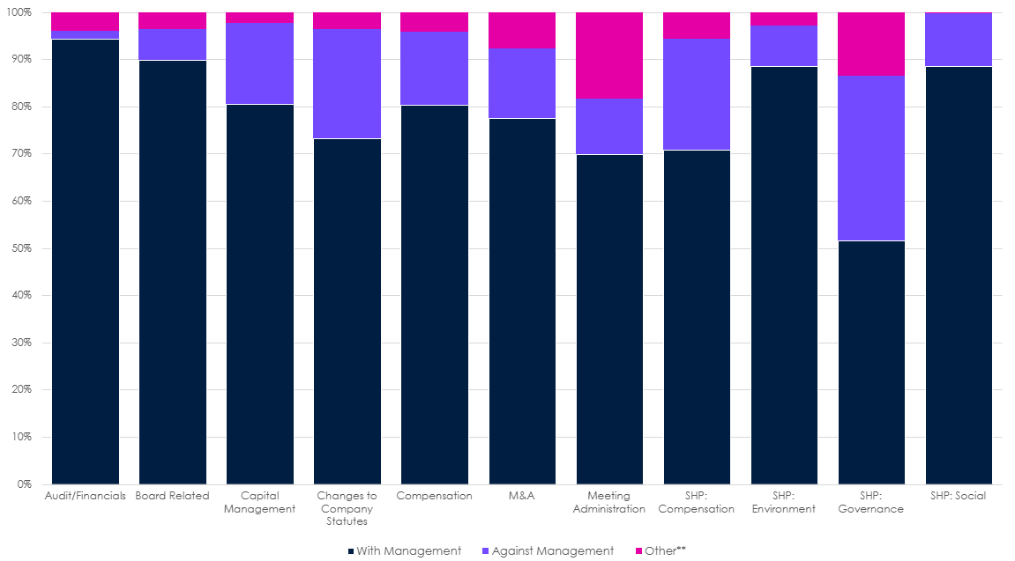

1 Voting statistics exclude unvoted proposals in situations where voting is unfeasible and/or impractical and are collated at ballot level.
All data on the voting activity of the external fund managers appointed by AMP is sourced from voting records maintained on the third-party voting and reporting platform, Viewpoint (Glass Lewis).

Research, stewardship and company engagement

AMP Super: financed emissions v percentage of assets

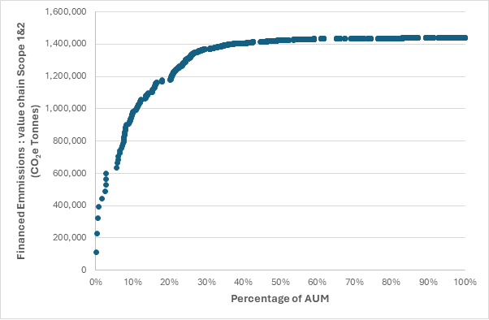
...

Fund climate data
X3A3T
AMP Super Fund climate data

Background
A carbon footprint is the total quantity of greenhouse gas produced both directly and indirectly (Scope 1 and 2 emissions) to support a company’s activities. Understanding the carbon footprint of a company – or a portfolio of investments – is an essential step in assessing the investment risks which can arise from climate change. In considering the carbon footprint of investment options, we use a measurement of kilograms of CO2- e (carbon dioxide equivalent) produced per year per thousand dollars ($AUD) invested into an investment option. We also calculate the emissions of the benchmark which the investment option’s financial performance is typically assessed against. While we recognise the limitations of carbon foot printing, we think it is an important part of transparency and monitoring. This document forms part of AMP’s sustainability disclosures, available on the website.

Methodology
Scope The carbon footprint is representative of the listed equities and corporate fixed income portions of the investment options as of 31 December 2024. It therefore does not cover other asset classes such as private markets or sovereign bonds. Data sources The scope 1 and 2 emissions of underlying companies in the funds are sourced from a third-party data provider as of 31 December 2024, who in turn sources data from: • Sustainability or Annual Reports; CDP; or other reports, which have had external verification (equivalent to PCAF Data Quality score of 1) • Sustainability or Annual Reports; CDP; or other reports which have not had external verification (equivalent to PCAF Data Quality Score of 2) • Modelled Emissions, where scope 1 and 2 emissions are not reported by a company, estimated based on the emissions of peer group companies, scaling for the respective size (enterprise value) of the company in question (equivalent to PCAF Data Quality Score of 4). Calculation The emissions calculation is informed by the Partnership for Carbon Accounting Financials (PCAF) methodology: • The sum of the outstanding amount invested in the company, divided by the Enterprise Value Including cash (EVIC) multiplied by the verified, unverified or modelled emissions for the company. • Emissions are attributed to the total investment exposure to the company, using the Enterprise Value Including Cash (EVIC) as denominator, regardless of equity and debt investment. • The company level emissions are then aggregated to a fund level, weighted by investment exposure in the fund. • The emissions are expressed as kilograms of CO2-e per thousand dollars invested in the investment option. For example, if an investment option’s carbon footprint is 100 kgs CO2- e/$’000 of funds under management (FUM), then for every thousand dollars invested in the investment option the companies held by the investment option emit 100 kgs of CO2-e per year, for the latest year we have data for. • The same ca
...

